Script
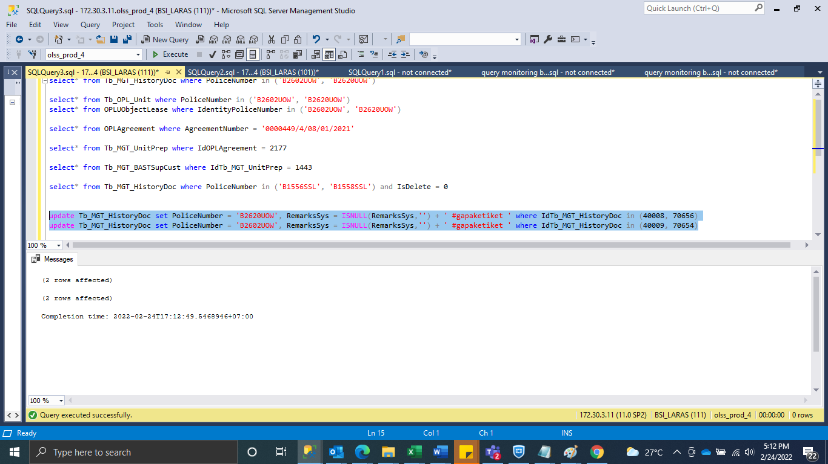
update Tb_MGT_HistoryDoc set PoliceNumber = 'B2620UOW', RemarksSys = ISNULL(RemarksSys,'') + ' #gapaketiket ' where IdTb_MGT_HistoryDoc in (40008, 70656)
update Tb_MGT_HistoryDoc set PoliceNumber = 'B2602UOW', RemarksSys = ISNULL(RemarksSys,'') + ' #gapaketiket ' where IdTb_MGT_HistoryDoc in (40009, 70654)

SS
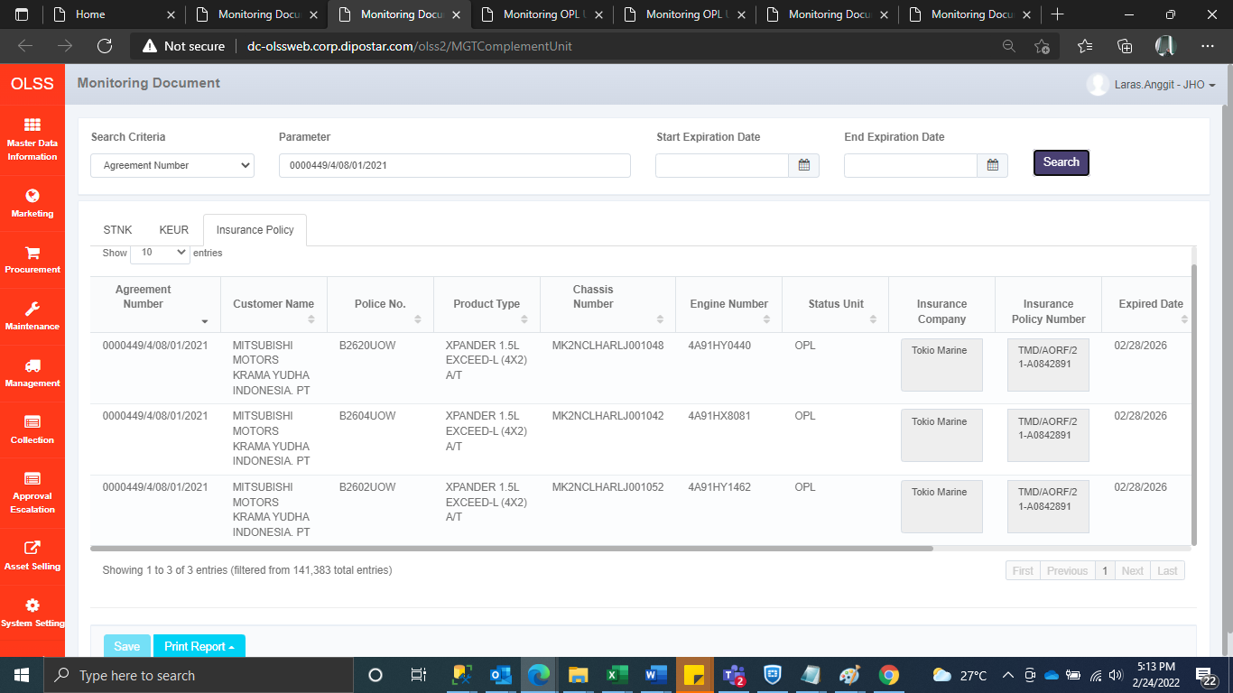
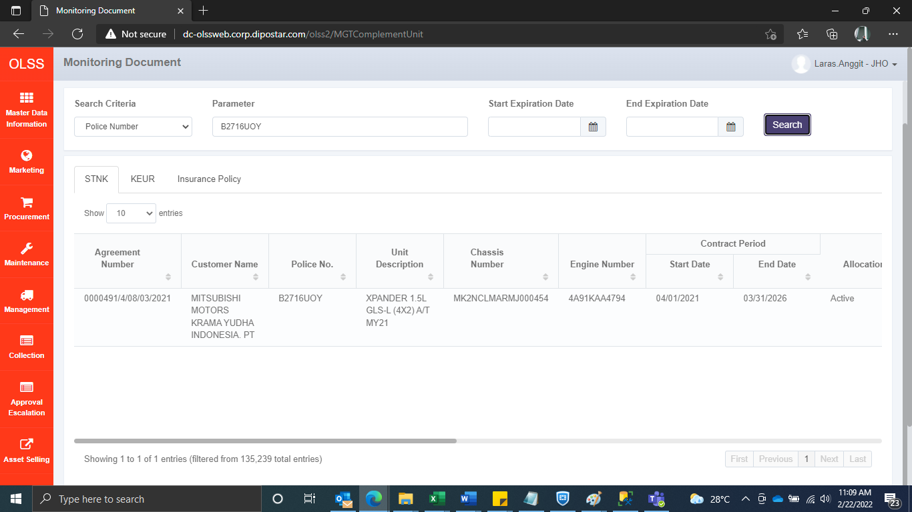
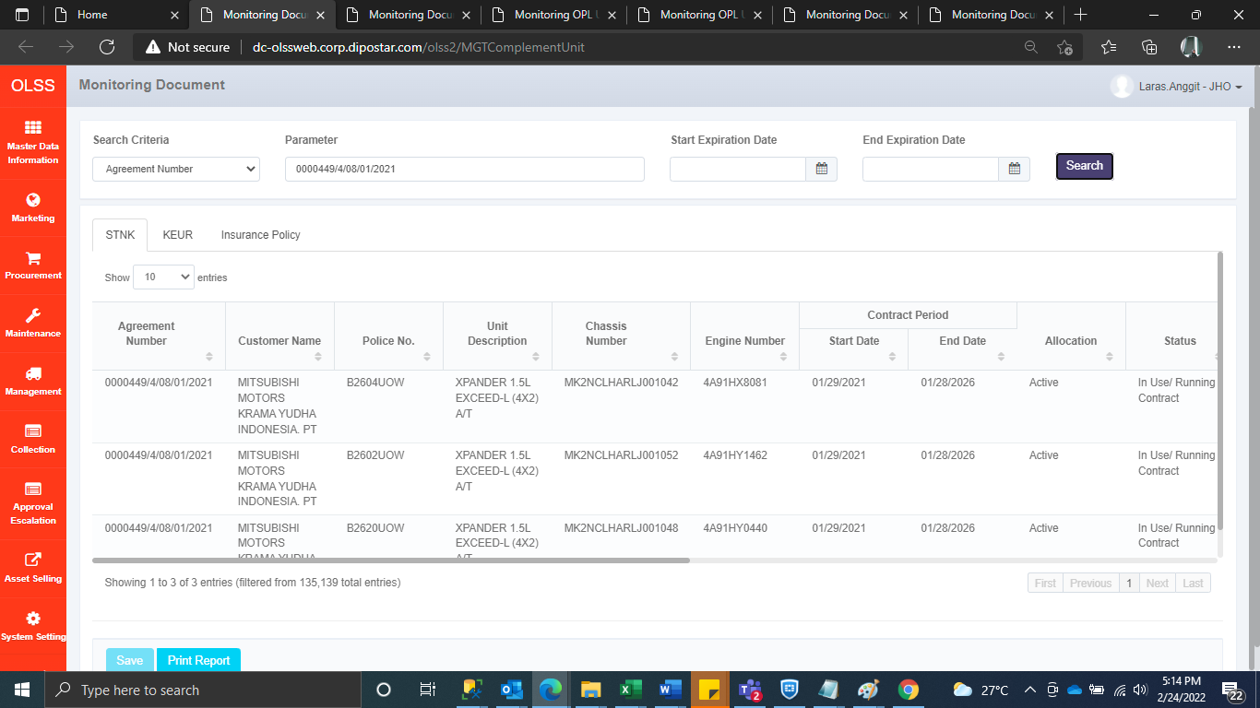
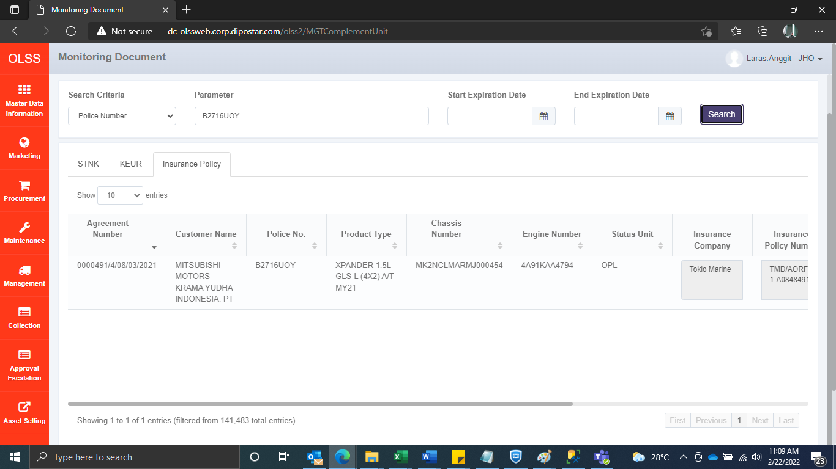
BEFORE
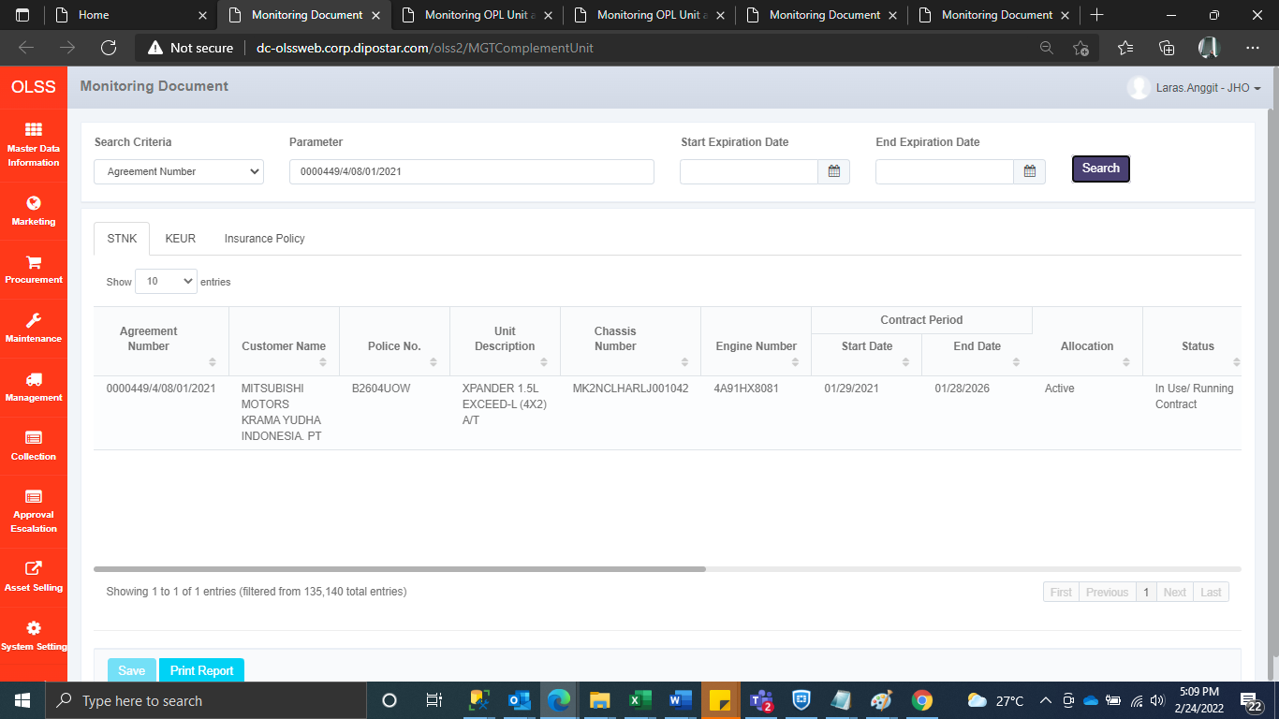


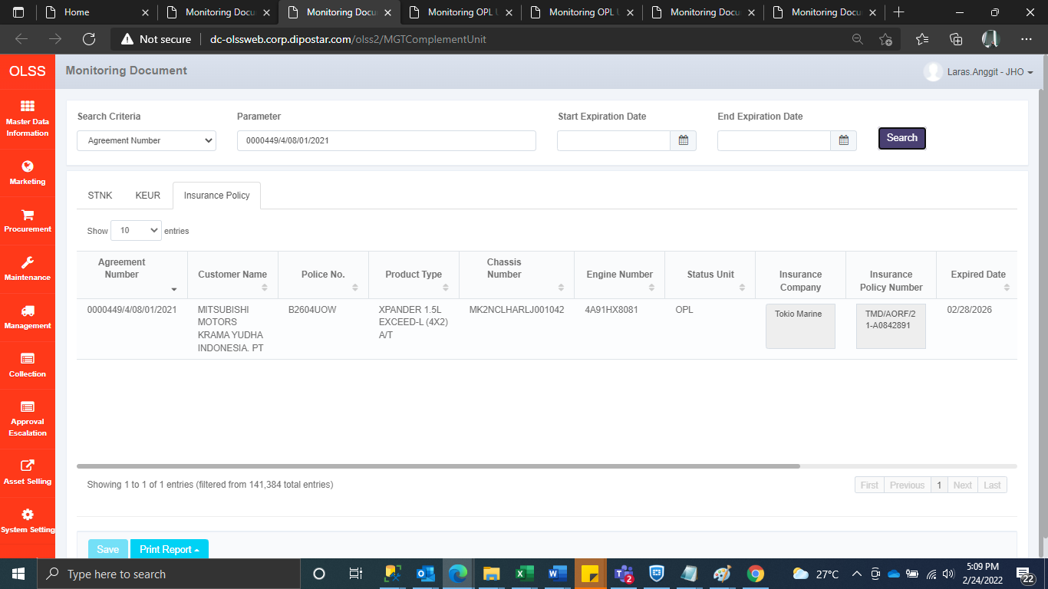


AFTER

